Inheritance
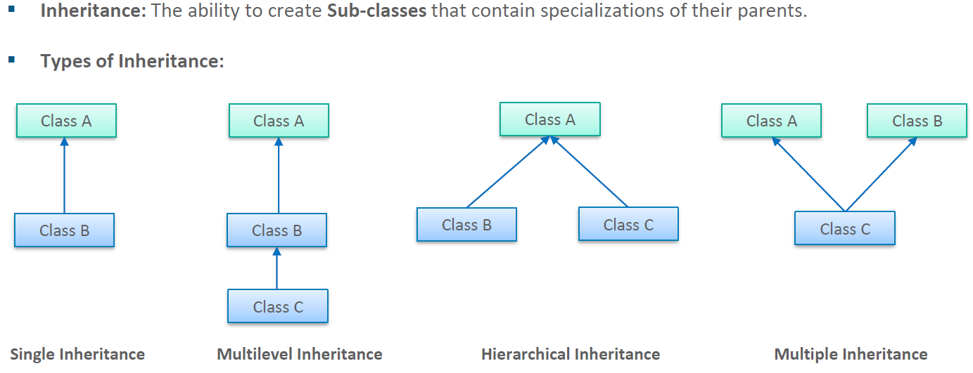

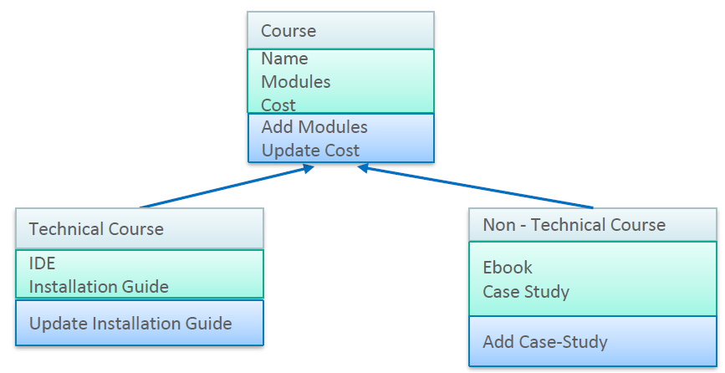

 | Details
Private | id | 1
Private | name | Pankaj
Private | gender | Male |  | Doctor
Public | setData |  |  | d
Public | showData |  | Par Var | id | 1
 |  |  | Par Var | name | Pankaj | setData and showData methods
 |  |  | Par Var | gender | Male
 |  |  | Own Var | hospital | aiims
 | Doctor |  | Own Var | dept | eyes
Private | hospital | aiims
Private | dept | eyes

